TP_1_IPV4_ClassFull_2025
 |  | TP_1_IPV4_ClassFull_2022 - Redes Computadores |  |  |  |  | Engenharia Computação - 2022 - UNISANTA

CONFIGURAÇÃO | RA | Nome | LAN - 1 | LAN - 2 | LAN - 3 | LAN - 4 | LAN - 5 | WAN - 1 | WAN - 2 | WAN - 3
1 | 227448 | ARTHUR SOARES PALLADINO | 25.0.0.0/8 | 170.44.0.0/16 | 67.0.0.0/8 | 41.0.0.0/8 | 205.101.60.0/24 | 166.100.0.0/16 | 220.117.66.0/24 | 51.0.0.0/8
2 | 226790 | BRUNO GARCIA CARVALHO | 26.0.0.0/8 | 170.45.0.0/16 | 68.0.0.0/8 | 42.0.0.0/8 | 205.102.60.0/24 | 166.144.0.0/16 | 220.118.66.0/24 | 52.0.0.0/8
3 | 228282 | Caio Rodrigues dos Santos | 27.0.0.0/8 | 144.46.0.0/16 | 69.0.0.0/8 | 43.0.0.0/8 | 205.103.40.0/24 | 166.39.0.0/16 | 208.119.60.0/24 | 53.0.0.0/8
4 | 229229 | CARLOS EDUARDO GRUNINGER PASSAES | 28.0.0.0/8 | 144.100.0.0/16 | 70.0.0.0/8 | 44.0.0.0/8 | 217.104.58.0/24 | 166.39.0.0/16 | 208.120.60.0/24 | 54.0.0.0/8
5 | 233514 | Cayo Vinycius Oliveira de Almeida | 29.0.0.0/8 | 144.101.0.0/16 | 71.0.0.0/8 | 45.0.0.0/8 | 217.105.58.0/24 | 155.39.0.0/16 | 208.121.60.0/24 | 55.0.0.0/8
6 | 235189 | FELIPPE RODRIGUES ALONSO | 30.0.0.0/8 | 144.88.0.0/16 | 72.0.0.0/8 | 46.0.0.0/8 | 217.106.58.0/24 | 155.39.0.0/16 | 208.122.60.0/24 | 56.0.0.0/8
7 | 233289 | FERNANDO AUGUSTO PENA AULICINO | 31.0.0.0/8 | 144.89.0.0/16 | 73.0.0.0/8 | 47.0.0.0/8 | 217.107.58.0/24 | 155.39.0.0/16 | 208.123.41.0/24 | 57.0.0.0/8
8 | 244591 | Giovani Cordeiro de Abreu | 32.0.0.0/8 | 144.90.0.0/16 | 74.0.0.0/8 | 48.0.0.0/8 | 217.108.58.0/24 | 155.39.0.0/16 | 212.124.41.0/24 | 58.0.0.0/8
9 | 226523 | Juana Isabela López Portillo | 33.0.0.0/8 | 144.991.0.0/16 | 75.0.0.0/8 | 49.0.0.0/8 | 205.109.40.0/24 | 155.100.0.0/16 | 212.125.41.0/24 | 59.0.0.0/8
10 | 231046 | LEONARDO HENRIQUE RULIM NOGUEIRA | 34.0.0.0/8 | 144.92.0.0/16 | 73.0.0.0/8 | 50.0.0.0/8 | 205.110.40.0/24 | 155.103.0.0/16 | 212.123.41.0/24 | 60.0.0.0/8
11 | 233423 | Letícia Moreira Ribeiro | 35.0.0.0/8 | 170.44.0.0/16 | 74.0.0.0/8 | 41.0.0.0/8 | 205.111.40.0/24 | 166.103.0.0/16 | 220.117.66.0/24 | 61.0.0.0/8
12 | 232307 | Marlon Correia Bomfim Junior | 36.0.0.0/8 | 144.100.0.0/16 | 75.0.0.0/8 | 52.0.0.0/8 | 208.112.40.0/24 | 166.103.0.0/16 | 212.125.41.0/24 | 62.0.0.0/8
13 | 232577 | MATHEUS CORREIA CAUMO | 37.0.0.0/8 | 155.39.0.0/16 | 76.0.0.0/8 | 53.0.0.0/8 | 208.113.60.0/24 | 166.44.0.0/16 | 210.19.60.0/24 | 63.0.0.0/8
14 | 233508 | Mykaella Scarllet de Lemos Santana | 38.0.0.0/8 | 175.39.0.0/16 | 77.0.0.0/8 | 54.0.0.0/8 | 220.114.66.0/24 | 135.44.0.0/16 | 210.12.60.0/24 | 64.0.0.0/8
15 | 232769 | NAOMI FERNANDES REZENDE | 39.0.0.0/8 | 165.69.0.0/16 | 78.0.0.0/8 | 55.0.0.0/8 | 220.115.68.0/24 | 135.44.0.0/16 | 212.21.60.0/24 | 65.0.0.0/8
16 | 226146 | Pedro Henrique Brito Nascimento | 40.0.0.0/8 | 155.100.0.0/16 | 79.0.0.0/8 | 56.0.0.0/8 | 220.116.69.0/24 | 135.44.0.0/16 | 201.122.68.0/24 | 66.0.0.0/8
17 | 226013 | Pedro Henrique Moreira Santos Cretella | 41.0.0.0/8 | 166.100.0.0/16 | 51.0.0.0/8 | 57.0.0.0/8 | 220.117.66.0/24 | 170.44.0.0/16 | 205.101.60.0/24 | 25.0.0.0/8
18 | 227827 | Ricardo Tavares Alexandre | 42.0.0.0/8 | 166.144.0.0/16 | 52.0.0.0/8 | 58.0.0.0/8 | 220.118.66.0/24 | 170.45.0.0/16 | 205.102.60.0/24 | 26.0.0.0/8
19 | 232710 | VINICIUS ALVES SANTANA | 43.0.0.0/8 | 155.103.0.0/16 | 53.0.0.0/8 | 59.0.0.0/8 | 208.119.60.0/24 | 144.46.0.0/16 | 205.103.40.0/24 | 27.0.0.0/8
20 | 228890 | VINICIUS SCARPITTI DE OLIVEIRA | 44.0.0.0/8 | 166.103.0.0/16 | 54.0.0.0/8 | 60.0.0.0/8 | 208.120.60.0/24 | 144.100.0.0/16 | 217.104.58.0/24 | 28.0.0.0/8
21 | 230610 | VINÍCIUS DE MORAES REGIS | 45.0.0.0/8 | 166.103.0.0/16 | 55.0.0.0/8 | 61.0.0.0/8 | 208.121.60.0/24 | 144.101.0.0/16 | 217.105.58.0/24 | 29.0.0.0/8
22 | 228550 | WECTON DA SILVA SANTOS | 46.0.0.0/8 | 166.44.0.0/16 | 56.0.0.0/8 | 62.0.0.0/8 | 208.122.60.0/24 | 144.88.0.0/16 | 217.106.58.0/24 | 30.0.0.0/8
23 | 231335 | Ágatha Nicole Marques Favaro | 47.0.0.0/8 | 135.44.0.0/16 | 57.0.0.0/8 | 63.0.0.0/8 | 208.123.41.0/24 | 144.89.0.0/16 | 217.107.58.0/24 | 31.0.0.0/8

Aluno EXTRA - 1 | 226326 | Rafael Ribeiro de Lima | 99.0.0.0/8 | 150.111.0.0/16 | 98.0.0.0/8 | 12.0.0.0/8 | 200.2246.70.0/24 | 138.11.0.0/16 | 199.202.100.0/24 | 50.0.0.0/8
Aluno EXTRA - 2 |  |  | 48.0.0.0/8 | 170.44.0.0/16 | 90.0.0.0/8 | 12.0.0.0/8 | 200.224.70.0/24 | 149.11.0.0/16 | 199.202.100.0/24 | 52.0.0.0/8
Aluno EXTRA - 3 |  |  | 49.0.0.0/8 | 144.100.0.0/16 | 91.0.0.0/8 | 13.0.0.0/8 | 217.108.58.0/24 | 135.44.0.0/16 | 208.123.41.0/24 | 53.0.0.0/8
Aluno EXTRA - 4 |  |  | 50.0.0.0/8 | 155.39.0.0/16 | 92.0.0.0/8 | 14.0.0.0/8 | 205.109.40.0/24 | 175.55.0.0/16 | 212.124.41.0/24 | 54.0.0.0/8

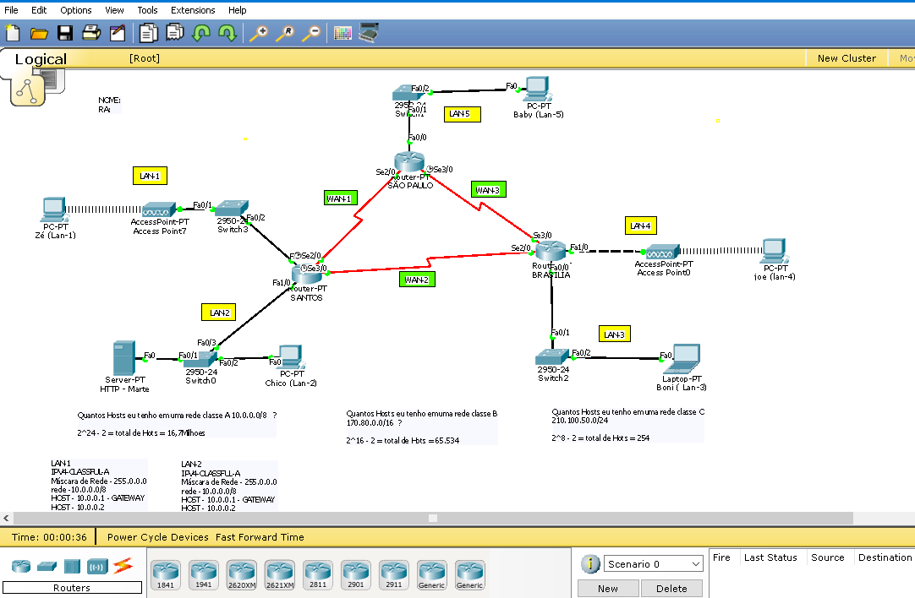

 | 227448 | ARTHUR SOARES PALLADINO |  |  |  |  |  |  |  |  | 0 /21
 | 226790 | BRUNO GARCIA CARVALHO |  |  |  |  |  |  |  |  | 0 /21
 | 228282 | Caio Rodrigues dos Santos |  |  |  |  |  |  |  |  | 0 /21
 | 229229 | CARLOS EDUARDO GRUNINGER PASSAES |  |  |  |  |  |  |  |  | 0 /21
 | 233514 | Cayo Vinycius Oliveira de Almeida |  |  |  |  |  |  |  |  | 0 /21
 | 235189 | FELIPPE RODRIGUES ALONSO |  |  |  |  |  |  |  |  | 0 /21
 | 233289 | FERNANDO AUGUSTO PENA AULICINO |  |  |  |  |  |  |  |  | 0 /21
 | 244591 | Giovani Cordeiro de Abreu |  |  |  |  |  |  |  |  | 0 /21
 | 226523 | Juana Isabela López Portillo |  |  |  |  |  |  |  |  | 0 /21
 | 231046 | LEONARDO HENRIQUE RULIM NOGUEIRA |  |  |  |  |  |  |  |  | 0 /21
 | 233423 | Letícia Moreira Ribeiro |  |  |  |  |  |  |  |  | 0 /21
 | 232307 | Marlon Correia Bomfim Junior |  |  |  |  |  |  |  |  | 0 /21
 | 232577 | MATHEUS CORREIA CAUMO |  |  |  |  |  |  |  |  | 0 /21
 | 233508 | Mykaella Scarllet de Lemos Santana |  |  |  |  |  |  |  |  | 0 /21
 | 232769 | NAOMI FERNANDES REZENDE |  |  |  |  |  |  |  |  | 0 /21
 | 226146 | Pedro Henrique Brito Nascimento |  |  |  |  |  |  |  |  | 0 /21
 | 226013 | Pedro Henrique Moreira Santos Cretella |  |  |  |  |  |  |  |  | 0 /21
 | 226326 | Rafael Ribeiro de Lima |  |  |  |  |  |  |  |  | 0 /21
 | 227827 | Ricardo Tavares Alexandre |  |  |  |  |  |  |  |  | 0 /21
 | 232710 | VINICIUS ALVES SANTANA |  |  |  |  |  |  |  |  | 0 /21
 | 228890 | VINICIUS SCARPITTI DE OLIVEIRA |  |  |  |  |  |  |  |  | 0 /21
 | 230610 | VINÍCIUS DE MORAES REGIS |  |  |  |  |  |  |  |  | 0 /21
 | 228550 | WECTON DA SILVA SANTOS |  |  |  |  |  |  |  |  | 0 /21
 | 231335 | Ágatha Nicole Marques Favaro

